Layout
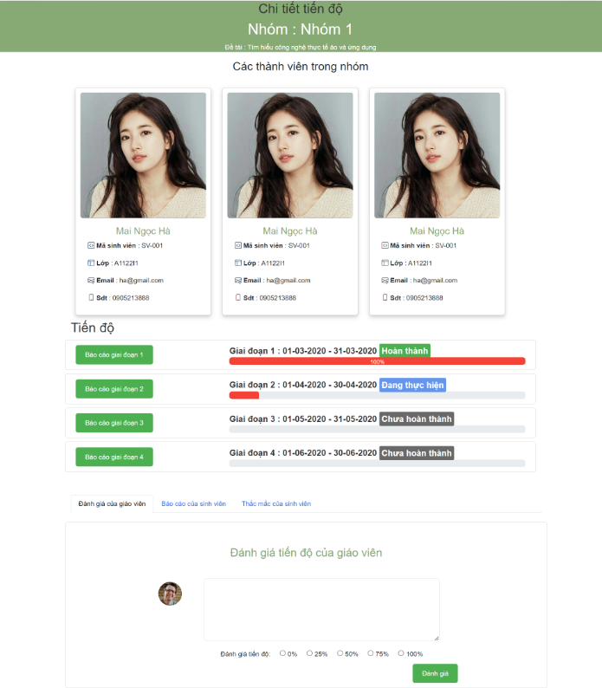
6.8.1.1 Màn Hình Quản Lý Đề Tài

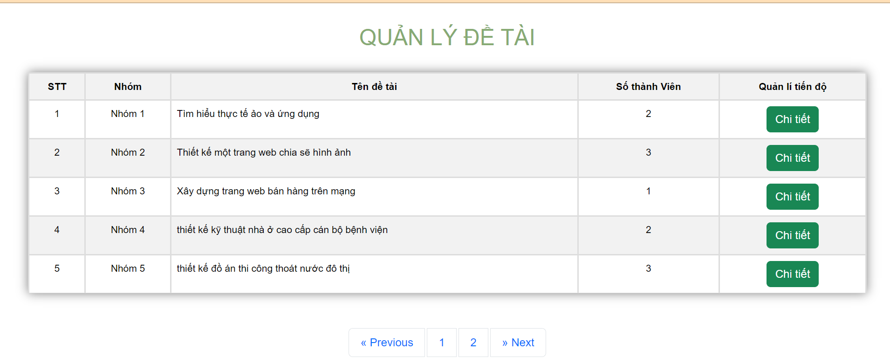

6.8.1.2 Màn Hình Chi Tiết Tiến Độ

